Thick
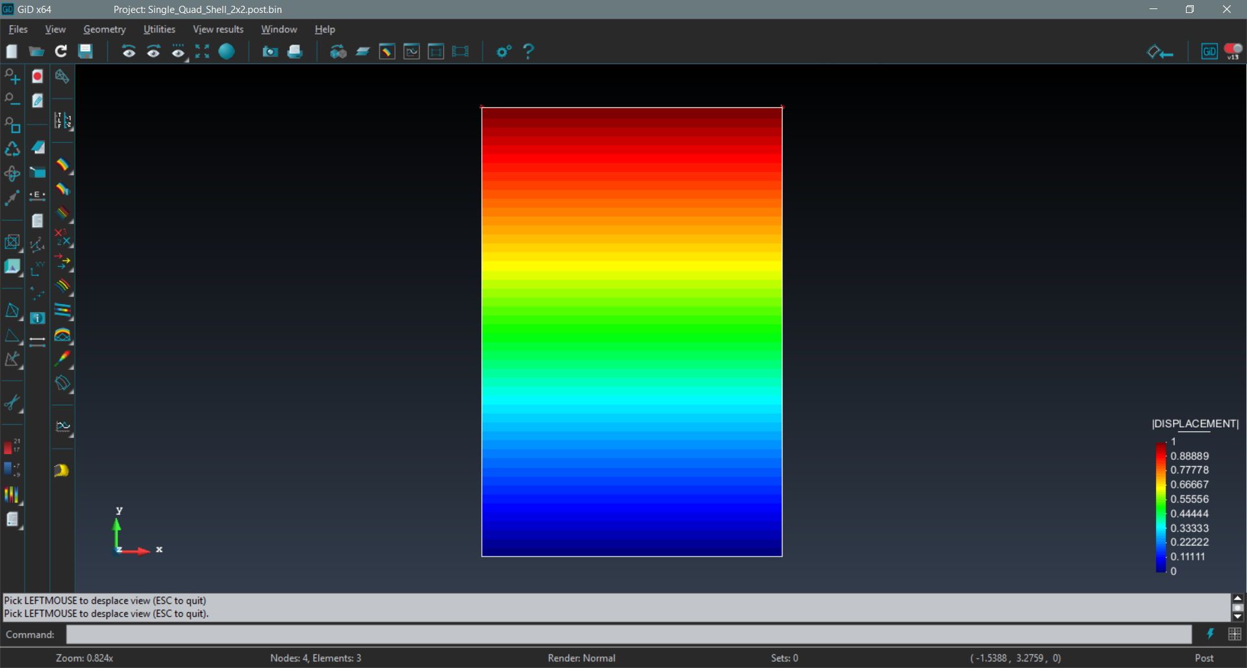
Thick shell stiffness mat (existing element)

 | 0.50 | -0.09 | 0.00 | 0.00 | 0.00 | -0.08 | 0.00 | -0.09 | 0.00 | 0.00 | 0.00 | -0.08 | -0.31 | 0.09 | 0.00 | 0.00 | 0.00 | -0.04 | -0.19 | 0.09 | 0.00 | 0.00 | 0.00 | -0.04
 | -0.09 | 0.50 | 0.00 | 0.00 | 0.00 | -0.08 | 0.09 | -0.19 | 0.00 | 0.00 | 0.00 | -0.04 | 0.09 | -0.31 | 0.00 | 0.00 | 0.00 | -0.04 | -0.09 | 0.00 | 0.00 | 0.00 | 0.00 | -0.08
 | 0.00 | 0.00 | 0.28 | 0.14 | 0.14 | 0.00 | 0.00 | 0.00 | -0.07 | 0.14 | 0.07 | 0.00 | 0.00 | 0.00 | -0.14 | 0.07 | 0.07 | 0.00 | 0.00 | 0.00 | -0.07 | 0.07 | 0.14 | 0.00
 | 0.00 | 0.00 | 0.14 | 0.18 | 0.01 | 0.00 | 0.00 | 0.00 | -0.14 | 0.12 | -0.01 | 0.00 | 0.00 | 0.00 | -0.07 | 0.05 | -0.01 | 0.00 | 0.00 | 0.00 | 0.07 | 0.07 | 0.01 | 0.00
 | 0.00 | 0.00 | 0.14 | 0.01 | 0.18 | 0.00 | 0.00 | 0.00 | 0.07 | 0.01 | 0.07 | 0.00 | 0.00 | 0.00 | -0.07 | -0.01 | 0.05 | 0.00 | 0.00 | 0.00 | -0.14 | -0.01 | 0.12 | 0.00
 | -0.08 | -0.08 | 0.00 | 0.00 | 0.00 | 0.22 | 0.08 | -0.04 | 0.00 | 0.00 | 0.00 | 0.11 | 0.04 | 0.04 | 0.00 | 0.00 | 0.00 | 0.06 | -0.04 | 0.08 | 0.00 | 0.00 | 0.00 | 0.11
 | 0.00 | 0.09 | 0.00 | 0.00 | 0.00 | 0.08 | 0.50 | 0.09 | 0.00 | 0.00 | 0.00 | 0.08 | -0.19 | -0.09 | 0.00 | 0.00 | 0.00 | 0.04 | -0.31 | -0.09 | 0.00 | 0.00 | 0.00 | 0.04
 | -0.09 | -0.19 | 0.00 | 0.00 | 0.00 | -0.04 | 0.09 | 0.50 | 0.00 | 0.00 | 0.00 | -0.08 | 0.09 | 0.00 | 0.00 | 0.00 | 0.00 | -0.08 | -0.09 | -0.31 | 0.00 | 0.00 | 0.00 | -0.04
 | 0.00 | 0.00 | -0.07 | -0.14 | 0.07 | 0.00 | 0.00 | 0.00 | 0.28 | -0.14 | 0.14 | 0.00 | 0.00 | 0.00 | -0.07 | -0.07 | 0.14 | 0.00 | 0.00 | 0.00 | -0.14 | -0.07 | 0.07 | 0.00
 | 0.00 | 0.00 | 0.14 | 0.12 | 0.01 | 0.00 | 0.00 | 0.00 | -0.14 | 0.18 | -0.01 | 0.00 | 0.00 | 0.00 | -0.07 | 0.07 | -0.01 | 0.00 | 0.00 | 0.00 | 0.07 | 0.05 | 0.01 | 0.00
 | 0.00 | 0.00 | 0.07 | -0.01 | 0.07 | 0.00 | 0.00 | 0.00 | 0.14 | -0.01 | 0.18 | 0.00 | 0.00 | 0.00 | -0.14 | 0.01 | 0.12 | 0.00 | 0.00 | 0.00 | -0.07 | 0.01 | 0.05 | 0.00
 | -0.08 | -0.04 | 0.00 | 0.00 | 0.00 | 0.11 | 0.08 | -0.08 | 0.00 | 0.00 | 0.00 | 0.22 | 0.04 | 0.08 | 0.00 | 0.00 | 0.00 | 0.11 | -0.04 | 0.04 | 0.00 | 0.00 | 0.00 | 0.06
 | -0.31 | 0.09 | 0.00 | 0.00 | 0.00 | 0.04 | -0.19 | 0.09 | 0.00 | 0.00 | 0.00 | 0.04 | 0.50 | -0.09 | 0.00 | 0.00 | 0.00 | 0.08 | 0.00 | -0.09 | 0.00 | 0.00 | 0.00 | 0.08
 | 0.09 | -0.31 | 0.00 | 0.00 | 0.00 | 0.04 | -0.09 | 0.00 | 0.00 | 0.00 | 0.00 | 0.08 | -0.09 | 0.50 | 0.00 | 0.00 | 0.00 | 0.08 | 0.09 | -0.19 | 0.00 | 0.00 | 0.00 | 0.04
 | 0.00 | 0.00 | -0.14 | -0.07 | -0.07 | 0.00 | 0.00 | 0.00 | -0.07 | -0.07 | -0.14 | 0.00 | 0.00 | 0.00 | 0.28 | -0.14 | -0.14 | 0.00 | 0.00 | 0.00 | -0.07 | -0.14 | -0.07 | 0.00
 | 0.00 | 0.00 | 0.07 | 0.05 | -0.01 | 0.00 | 0.00 | 0.00 | -0.07 | 0.07 | 0.01 | 0.00 | 0.00 | 0.00 | -0.14 | 0.18 | 0.01 | 0.00 | 0.00 | 0.00 | 0.14 | 0.12 | -0.01 | 0.00
 | 0.00 | 0.00 | 0.07 | -0.01 | 0.05 | 0.00 | 0.00 | 0.00 | 0.14 | -0.01 | 0.12 | 0.00 | 0.00 | 0.00 | -0.14 | 0.01 | 0.18 | 0.00 | 0.00 | 0.00 | -0.07 | 0.01 | 0.07 | 0.00
 | -0.04 | -0.04 | 0.00 | 0.00 | 0.00 | 0.06 | 0.04 | -0.08 | 0.00 | 0.00 | 0.00 | 0.11 | 0.08 | 0.08 | 0.00 | 0.00 | 0.00 | 0.22 | -0.08 | 0.04 | 0.00 | 0.00 | 0.00 | 0.11
 | -0.19 | -0.09 | 0.00 | 0.00 | 0.00 | -0.04 | -0.31 | -0.09 | 0.00 | 0.00 | 0.00 | -0.04 | 0.00 | 0.09 | 0.00 | 0.00 | 0.00 | -0.08 | 0.50 | 0.09 | 0.00 | 0.00 | 0.00 | -0.08
 | 0.09 | 0.00 | 0.00 | 0.00 | 0.00 | 0.08 | -0.09 | -0.31 | 0.00 | 0.00 | 0.00 | 0.04 | -0.09 | -0.19 | 0.00 | 0.00 | 0.00 | 0.04 | 0.09 | 0.50 | 0.00 | 0.00 | 0.00 | 0.08
 | 0.00 | 0.00 | -0.07 | 0.07 | -0.14 | 0.00 | 0.00 | 0.00 | -0.14 | 0.07 | -0.07 | 0.00 | 0.00 | 0.00 | -0.07 | 0.14 | -0.07 | 0.00 | 0.00 | 0.00 | 0.28 | 0.14 | -0.14 | 0.00
 | 0.00 | 0.00 | 0.07 | 0.07 | -0.01 | 0.00 | 0.00 | 0.00 | -0.07 | 0.05 | 0.01 | 0.00 | 0.00 | 0.00 | -0.14 | 0.12 | 0.01 | 0.00 | 0.00 | 0.00 | 0.14 | 0.18 | -0.01 | 0.00
 | 0.00 | 0.00 | 0.14 | 0.01 | 0.12 | 0.00 | 0.00 | 0.00 | 0.07 | 0.01 | 0.05 | 0.00 | 0.00 | 0.00 | -0.07 | -0.01 | 0.07 | 0.00 | 0.00 | 0.00 | -0.14 | -0.01 | 0.18 | 0.00
 | -0.04 | -0.08 | 0.00 | 0.00 | 0.00 | 0.11 | 0.04 | -0.04 | 0.00 | 0.00 | 0.00 | 0.06 | 0.08 | 0.04 | 0.00 | 0.00 | 0.00 | 0.11 | -0.08 | 0.08 | 0.00 | 0.00 | 0.00 | 0.22

Thin
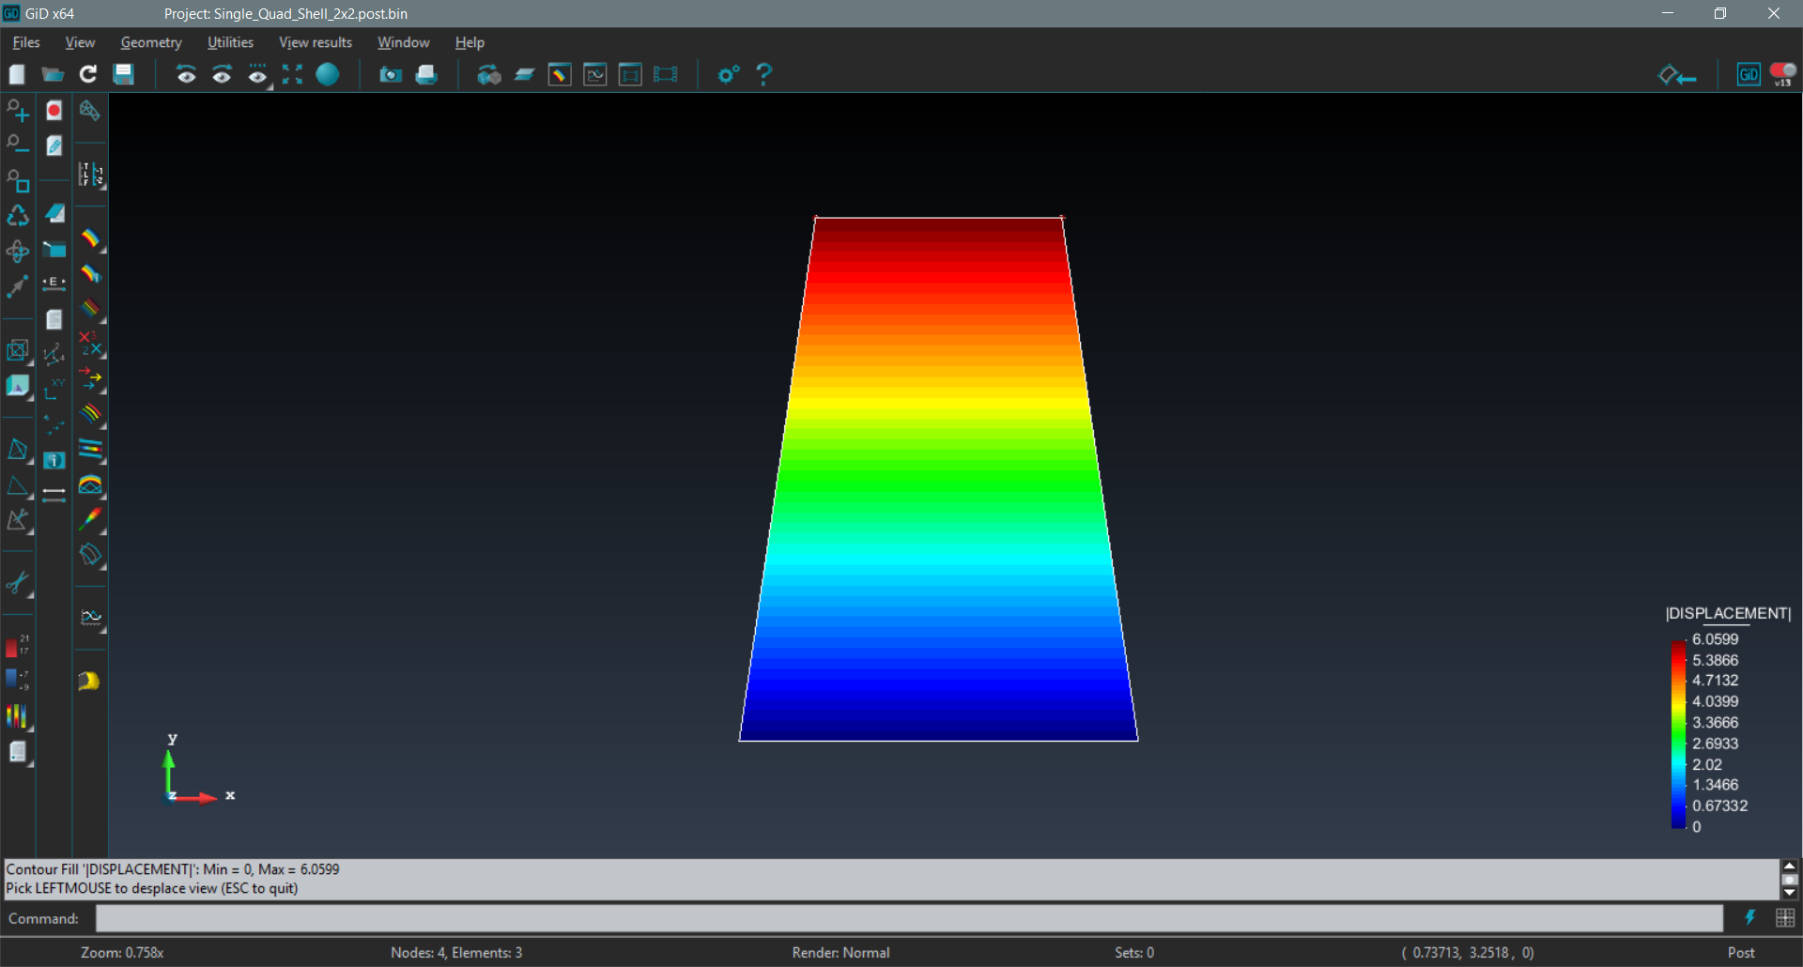
Thin shell stiffness mat (my element)

 |  |  | (these bold entries were added just to make the matrix invertible)
 | 0.59 | -0.09 | 0.00 | 0.00 | 0.00 | -0.27 | -0.09 | -0.09 | 0.00 | 0.00 | 0.00 | -0.02 | -0.23 | 0.09 | 0.00 | 0.00 | 0.00 | -0.11 | -0.27 | 0.09 | 0.00 | 0.00 | 0.00 | 0.14
 | -0.09 | 0.59 | 0.00 | 0.00 | 0.00 | -0.27 | 0.09 | -0.27 | 0.00 | 0.00 | 0.00 | 0.14 | 0.09 | -0.23 | 0.00 | 0.00 | 0.00 | -0.11 | -0.09 | -0.09 | 0.00 | 0.00 | 0.00 | -0.02
 | 0.00 | 0.00 | 0.20 | 0.00 | 0.00 | 0.00 | 0.00 | 0.00 | 0.00 | 0.00 | 0.00 | 0.00 | 0.00 | 0.00 | 0.00 | 0.00 | 0.00 | 0.00 | 0.00 | 0.00 | 0.00 | 0.00 | 0.00 | 0.00
 | 0.00 | 0.00 | 0.00 | 0.20 | 0.00 | 0.00 | 0.00 | 0.00 | 0.00 | 0.00 | 0.00 | 0.00 | 0.00 | 0.00 | 0.00 | 0.00 | 0.00 | 0.00 | 0.00 | 0.00 | 0.00 | 0.00 | 0.00 | 0.00
 | 0.00 | 0.00 | 0.00 | 0.00 | 0.20 | 0.00 | 0.00 | 0.00 | 0.00 | 0.00 | 0.00 | 0.00 | 0.00 | 0.00 | 0.00 | 0.00 | 0.00 | 0.00 | 0.00 | 0.00 | 0.00 | 0.00 | 0.00 | 0.00
 | -0.27 | -0.27 | 0.00 | 0.00 | 0.00 | 0.38 | 0.02 | 0.14 | 0.00 | 0.00 | 0.00 | 0.00 | 0.11 | 0.11 | 0.00 | 0.00 | 0.00 | 0.12 | 0.14 | 0.02 | 0.00 | 0.00 | 0.00 | 0.00
 | -0.09 | 0.09 | 0.00 | 0.00 | 0.00 | 0.02 | 0.59 | 0.09 | 0.00 | 0.00 | 0.00 | 0.27 | -0.27 | -0.09 | 0.00 | 0.00 | 0.00 | -0.14 | -0.23 | -0.09 | 0.00 | 0.00 | 0.00 | 0.11
 | -0.09 | -0.27 | 0.00 | 0.00 | 0.00 | 0.14 | 0.09 | 0.59 | 0.00 | 0.00 | 0.00 | -0.27 | 0.09 | -0.09 | 0.00 | 0.00 | 0.00 | -0.02 | -0.09 | -0.23 | 0.00 | 0.00 | 0.00 | -0.11
 | 0.00 | 0.00 | 0.00 | 0.00 | 0.00 | 0.00 | 0.00 | 0.00 | 0.20 | 0.00 | 0.00 | 0.00 | 0.00 | 0.00 | 0.00 | 0.00 | 0.00 | 0.00 | 0.00 | 0.00 | 0.00 | 0.00 | 0.00 | 0.00
 | 0.00 | 0.00 | 0.00 | 0.00 | 0.00 | 0.00 | 0.00 | 0.00 | 0.00 | 0.20 | 0.00 | 0.00 | 0.00 | 0.00 | 0.00 | 0.00 | 0.00 | 0.00 | 0.00 | 0.00 | 0.00 | 0.00 | 0.00 | 0.00
 | 0.00 | 0.00 | 0.00 | 0.00 | 0.00 | 0.00 | 0.00 | 0.00 | 0.00 | 0.00 | 0.20 | 0.00 | 0.00 | 0.00 | 0.00 | 0.00 | 0.00 | 0.00 | 0.00 | 0.00 | 0.00 | 0.00 | 0.00 | 0.00
 | -0.02 | 0.14 | 0.00 | 0.00 | 0.00 | 0.00 | 0.27 | -0.27 | 0.00 | 0.00 | 0.00 | 0.38 | -0.14 | 0.02 | 0.00 | 0.00 | 0.00 | 0.00 | -0.11 | 0.11 | 0.00 | 0.00 | 0.00 | 0.12
 | -0.23 | 0.09 | 0.00 | 0.00 | 0.00 | 0.11 | -0.27 | 0.09 | 0.00 | 0.00 | 0.00 | -0.14 | 0.59 | -0.09 | 0.00 | 0.00 | 0.00 | 0.27 | -0.09 | -0.09 | 0.00 | 0.00 | 0.00 | 0.02
 | 0.09 | -0.23 | 0.00 | 0.00 | 0.00 | 0.11 | -0.09 | -0.09 | 0.00 | 0.00 | 0.00 | 0.02 | -0.09 | 0.59 | 0.00 | 0.00 | 0.00 | 0.27 | 0.09 | -0.27 | 0.00 | 0.00 | 0.00 | -0.14
 | 0.00 | 0.00 | 0.00 | 0.00 | 0.00 | 0.00 | 0.00 | 0.00 | 0.00 | 0.00 | 0.00 | 0.00 | 0.00 | 0.00 | 0.20 | 0.00 | 0.00 | 0.00 | 0.00 | 0.00 | 0.00 | 0.00 | 0.00 | 0.00
 | 0.00 | 0.00 | 0.00 | 0.00 | 0.00 | 0.00 | 0.00 | 0.00 | 0.00 | 0.00 | 0.00 | 0.00 | 0.00 | 0.00 | 0.00 | 0.20 | 0.00 | 0.00 | 0.00 | 0.00 | 0.00 | 0.00 | 0.00 | 0.00
 | 0.00 | 0.00 | 0.00 | 0.00 | 0.00 | 0.00 | 0.00 | 0.00 | 0.00 | 0.00 | 0.00 | 0.00 | 0.00 | 0.00 | 0.00 | 0.00 | 0.20 | 0.00 | 0.00 | 0.00 | 0.00 | 0.00 | 0.00 | 0.00
 | -0.11 | -0.11 | 0.00 | 0.00 | 0.00 | 0.12 | -0.14 | -0.02 | 0.00 | 0.00 | 0.00 | 0.00 | 0.27 | 0.27 | 0.00 | 0.00 | 0.00 | 0.38 | -0.02 | -0.14 | 0.00 | 0.00 | 0.00 | 0.00
 | -0.27 | -0.09 | 0.00 | 0.00 | 0.00 | 0.14 | -0.23 | -0.09 | 0.00 | 0.00 | 0.00 | -0.11 | -0.09 | 0.09 | 0.00 | 0.00 | 0.00 | -0.02 | 0.59 | 0.09 | 0.00 | 0.00 | 0.00 | -0.27
 | 0.09 | -0.09 | 0.00 | 0.00 | 0.00 | 0.02 | -0.09 | -0.23 | 0.00 | 0.00 | 0.00 | 0.11 | -0.09 | -0.27 | 0.00 | 0.00 | 0.00 | -0.14 | 0.09 | 0.59 | 0.00 | 0.00 | 0.00 | 0.27
 | 0.00 | 0.00 | 0.00 | 0.00 | 0.00 | 0.00 | 0.00 | 0.00 | 0.00 | 0.00 | 0.00 | 0.00 | 0.00 | 0.00 | 0.00 | 0.00 | 0.00 | 0.00 | 0.00 | 0.00 | 0.20 | 0.00 | 0.00 | 0.00
 | 0.00 | 0.00 | 0.00 | 0.00 | 0.00 | 0.00 | 0.00 | 0.00 | 0.00 | 0.00 | 0.00 | 0.00 | 0.00 | 0.00 | 0.00 | 0.00 | 0.00 | 0.00 | 0.00 | 0.00 | 0.00 | 0.20 | 0.00 | 0.00
 | 0.00 | 0.00 | 0.00 | 0.00 | 0.00 | 0.00 | 0.00 | 0.00 | 0.00 | 0.00 | 0.00 | 0.00 | 0.00 | 0.00 | 0.00 | 0.00 | 0.00 | 0.00 | 0.00 | 0.00 | 0.00 | 0.00 | 0.20 | 0.00
 | 0.14 | -0.02 | 0.00 | 0.00 | 0.00 | 0.00 | 0.11 | -0.11 | 0.00 | 0.00 | 0.00 | 0.12 | 0.02 | -0.14 | 0.00 | 0.00 | 0.00 | 0.00 | -0.27 | 0.27 | 0.00 | 0.00 | 0.00 | 0.38

